Рівень другий
1.Затип Create - створює користувача без змінних.

2.(Update)Put створює(змінює) без данних

3.(Update)Patch створює(змінює) без данних так як і Put
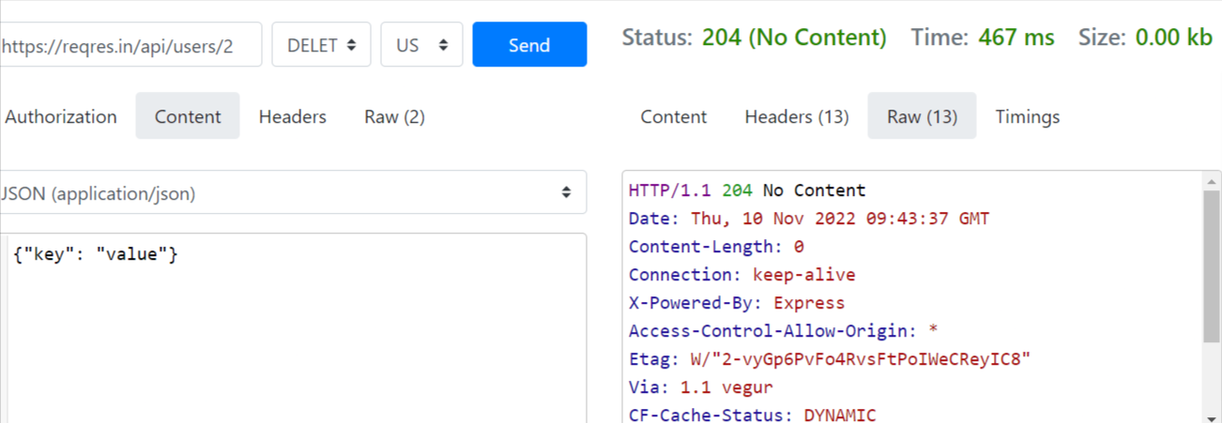
4.Delete видаляє без інформації (204 статус Non content)

5.Register створює користувача з паролем в один символ

6.Login так само заходить у систему з паролем в один символ

